resources shared by colleagues
Jessica | https://cehs.unl.edu/aactranslation/ | Use last names e.g. Dr. XXXXXX
Kevin | In the lab currently my work primarily focuses on P300-based BCI-AAC to pictorial and spelling-based systems to support those both with and without literacy skills. During my dissertation the work with my mentor was more motor(imagery)/mu based, to provide switch type access to AAC. One of my big interests though is to understand what makes individuals best suited to different BCI-AAC techniques, along with avenues for BCI-AAC translation. Such at these types of work – https://digitalcommons.unl.edu/specedfacpub/193/ https://digitalcommons.unl.edu/specedfacpub/233/
 | The Unciron speller from gtec is one of the only commercially available BCI systems (I have not used it personally). It has some programming options, but I think its pretty limited. I am not sure if the Cognixion 1 is available yet, though that looks like another literacy-based system. So, you may have to develop a custom BCI solution depending on your intent. https://www.unicorn-bi.com/speller/ https://one.cognixion.com/ For a P300 systems, you could choose how many images you want, though fewer items may reduce novelty and the P300 effect to a degree. They are currently working on BCI access to Prentke Romich brand AAC devices (as I mention in the Implementation science paper), but as far as I know that’s all still in the development stage. https://onlinelibrary.wiley.com/doi/pdf/10.1002/pmrj.12525?casa_token=bM5zxai6YakAAAAA:c0JBHVOLABPr_Uz1jSkNefJoihzx3U3UywOE2sE4cEy3X3Sca7zxztLD9fXwPOG_DUvsDY8f2Jga2yA
 | That’s the P300 speller software we use in the lab. It is pretty flexible, but not sure about pictorial stimuli. Still there is a helpful wiki/forum you may be interested in looking into. https://www.bci2000.org/mediawiki/index.php/Main_Page https://www.bci2000.org/bbs/
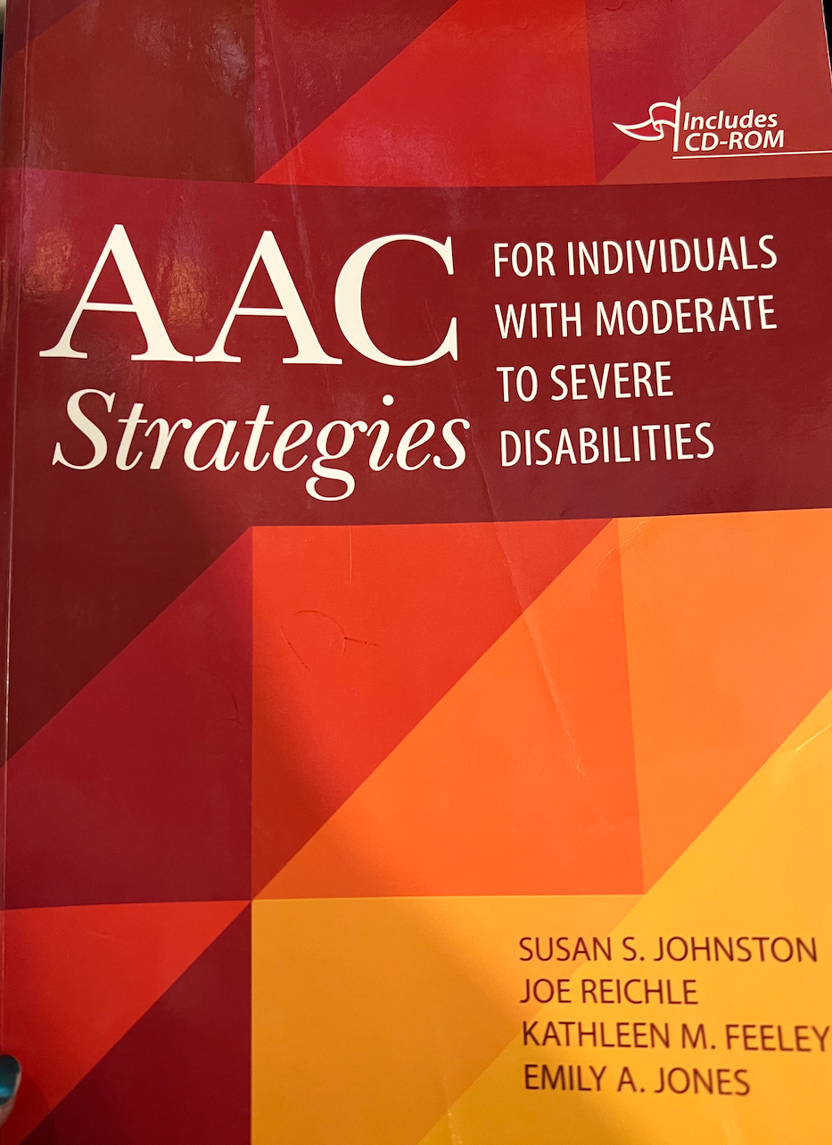
 | https://pixabay.com/
Jolene | For assessing expressive and receptive communication I often use instruments like the Peabody Picture Vocabulary Test and the Receptive One Word Picture Vocabulary Test. Depending on age, I may use the Preschool Language Scale, The MacArthur-Bates Communicative Development Inventories, The Test of Aided Communication Symbol Performance, and the Interaction Checklist for AAC. I also use numerous, customized informal tasks to assess receptive joint attention; simple discrimination of objects, pictures, words; turn-taking; following functional spoken instructions; functional use; representational play; combinatorial play; Identical and non-identical match-to-sample tasks; and comprehension of who, what, where questions; vocal imitations; motor imitation; symbol type and size assessments (sometimes with the AAC Genie App), and so on. The committee that I co-chair created and maintains a repository of free, evidence-based AAC resources (including some assessment resources) that you might find helpful: https://sites.google.com/view/mnaacr/home I also attached a picture of the text I referred to when we met. It has information about assessments, match-to-sample tasks, and other information that may be useful.
 | There are many free developmental checklist assessments that are free- you could go to the repository I sent in the previous email and click on assessment to check them out. However, typically all norm referenced standardized tests are going to be quite expensive. Is there any chance that Jessica or folks in ICI have access to tests? Or perhaps you could ask a librarian. Sometimes the library has access to resources. Another idea might be to see if the SLHS Department may have student interns who need assessment hours who could do the testing with their test materials.

